Front Sheet
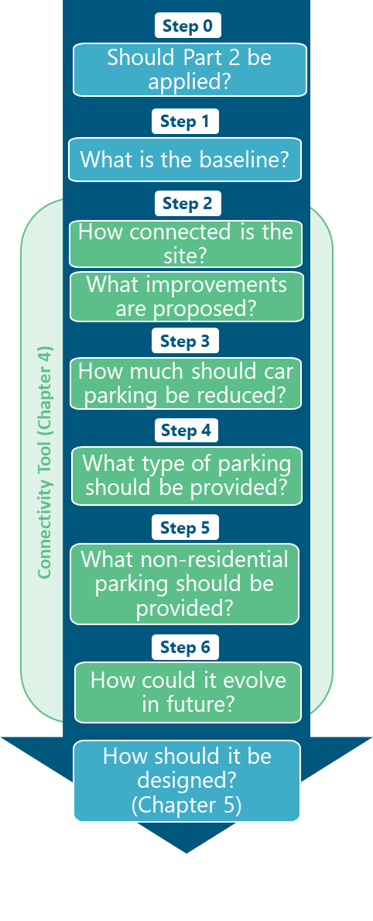

Throughout the steps, cells to complete are denoted by a blue fill, as below
Cells to complete
This model is password protected - only blue cells can be edited

Created on behalf of EPOA - October 2023
Refer to Version 4-0 of EPOA Part 2 Parking Guidance for Garden Communities and Large Scale Developments

Updated August 2024

Step 2
Step 2 - Score against Connectivity Framework

less potential to reduce car parking provision
more potential to reduce car parking provision
Metric | 1 | 2 | 3 | 4 | 5 | 6
Existing car ownership | Existing area has car ownership levels higher than the Essex average (>2 vehicles per household on average) | Existing area has car ownership levels higher than the Essex average (>1.6 vehicles per household) | Existing area has car ownership levels higher than the Essex average (>1.44 per household) | Existing area has car ownership levels lower than the Essex average (<1.44 per household) | Existing area has car ownership levels lower than the Essex average (<1.2 per household) | Existing area has car ownership levels lower than the Essex average (<1 per household) | 2021 Census data, refer to Map 1
Existing car driver mode share (journey to work) | Existing local driving mode share is higher than the Essex average (>75%) | Existing car driver mode share is higher than the Essex average (>70%) | Existing car driver mode share is higher than the Essex average (>65%) | Existing local driving mode share is lower than County average (<65%) | Existing car driver mode share is lower than the Essex average (<60%) | Existing car driver mode share is lower than the Essex average (<55%) | 2011 census data if more specific (all journeys) data not available, refer to Map 2
Existing connectivity | Majority of developable masterplan area is of very low connectivity | Majority of developable masterplan area is of low connectivity | Majority of developable masterplan area is of moderate connectivity | Majority of developable masterplan is of good connectivity | Majority of developable masterplan is of high connectivity | Majority of developable masterplan area is of very high connectivity | Refer to Map 3
Range of land uses | <20% new homes are within a 15-minute walk of at least three facilities | >20% of new homes are within a 15-minute walk of at least three facilities | >40% of new homes are within a 15-minute walk of at least three facilities | >60% of new homes are within a 15-minute walk of at least three facilities | >80% of new homes are within a 15-minute walk of at least four facilities | All new homes are within a 15-minute walk of at least four facilities | *daily facilities (subject to local authority agreement) could include: convenience food store, nursery, primary school, secondary school, pharmacy, GP, employment
Public transport improvements | Less than 50% of the built development is within 400m of a bus service | At least 50% of the built development is within 400m of bus stop with a service operating every 30 minutes or more | At least 80% of the built development is within 400m of bus stop with a service operating every 30 minutes or more | At least 90% of the built development is within 400m of bus stop with a service operating every 30 minutes or more | At least 90% of the built development is within 400m of bus stop with a service operating every 15 minutes or more | At least 90% of the built development is within 400m of bus stop with a service operating every 10 minutes or more | *average weekday daytime bus frequency. Rail connectivity may be taken into account in agreement with the LPA and LHA.
Active mode improvement | None of the built development caters for active modes over cars - it is easier and quicker to access local services by car |  | Development somewhat caters for active travel - it is as easy/quick to access key local services by walking/wheeling as it is by car |  | Development caters well for active travel - it is easier/quicker/safer to access key local services by walking/wheeling than by car
Micromobility / shared transport | None of the built development is close to a mobility hub | <20% of the built development is within 800m of a mobility hub | >50% of the built development is within 800m of a mobility hub | >50% of the built development is within 400m of a mobility hub | >70% of the built development is within 400m of a mobility hub | >90% of the built development is within 400m of a mobility hub | *Mobility hub to be defined according to site context and best practice guidance. They should at minimum include one public transport option and one shared transport option according to the CoMoUK accreditation document (see https://www.como.org.uk/mobility-hubs/overview-and-benefits).

Enter letter 'x' in relevant score box below

 | 1 | 2 | 3 | 4 | 5 | 6
Existing car ownership
Existing car driver mode share (journey to work)
Existing connectivity
Range of land uses
Public transport improvements
Active mode improvement
Micromobility / shared transport

Count | 0 | 0 | 0 | 0 | 0 | 0
Score | 0 | 0 | 0 | 0 | 0 | 0
Total | Incomplete - please fill in one box per row

Step 6
Step 6 - Score phase against Connectivity Framework when entire development is built-out

less potential to reduce car parking provision
more potential to reduce car parking provision
Metric | 1 | 2 | 3 | 4 | 5 | 6
Existing car ownership | Existing area has car ownership levels higher than the Essex average (>2 vehicles per household on average) | Existing area has car ownership levels higher than the Essex average (>1.6 vehicles per household) | Existing area has car ownership levels higher than the Essex average (>1.44 per household) | Existing area has car ownership levels lower than the Essex average (<1.44 per household) | Existing area has car ownership levels lower than the Essex average (<1.2 per household) | Existing area has car ownership levels lower than the Essex average (<1 per household) | 2021 Census data, refer to Map 1
Existing car driver mode share (journey to work) | Existing local driving mode share is higher than the Essex average (>75%) | Existing car driver mode share is higher than the Essex average (>70%) | Existing car driver mode share is higher than the Essex average (>65%) | Existing local driving mode share is lower than County average (<65%) | Existing car driver mode share is lower than the Essex average (<60%) | Existing car driver mode share is lower than the Essex average (<55%) | 2011 census data if more specific (all journeys) data not available, refer to Map 2
Existing connectivity | Majority of developable masterplan area is of very low connectivity | Majority of developable masterplan area is of low connectivity | Majority of developable masterplan area is of moderate connectivity | Majority of developable masterplan is of good connectivity | Majority of developable masterplan is of high connectivity | Majority of developable masterplan area is of very high connectivity | Refer to Map 3
Range of land uses | <20% new homes are within a 15-minute walk of at least three facilities | >20% of new homes are within a 15-minute walk of at least three facilities | >40% of new homes are within a 15-minute walk of at least three facilities | >60% of new homes are within a 15-minute walk of at least three facilities | >80% of new homes are within a 15-minute walk of at least four facilities | All new homes are within a 15-minute walk of at least four facilities | *daily facilities (subject to local authority agreement) could include: convenience food store, nursery, primary school, secondary school, pharmacy, GP, employment
Public transport improvements | Less than 50% of the built development is within 400m of a bus service | At least 50% of the built development is within 400m of bus stop with a service operating every 30 minutes or more | At least 80% of the built development is within 400m of bus stop with a service operating every 30 minutes or more | At least 90% of the built development is within 400m of bus stop with a service operating every 30 minutes or more | At least 90% of the built development is within 400m of bus stop with a service operating every 15 minutes or more | At least 90% of the built development is within 400m of bus stop with a service operating every 10 minutes or more | *average weekday daytime bus frequency. Rail connectivity may be taken into account in agreement with the LPA and LHA.
Active mode improvement | None of the built development caters for active modes over cars - it is easier and quicker to access local services by car |  | Development somewhat caters for active travel - it is as easy/quick to access key local services by walking/wheeling as it is by car |  | Development caters well for active travel - it is easier/quicker/safer to access key local services by walking/wheeling than by car
Micromobility / shared transport | None of the built development is close to a mobility hub | <20% of the built development is within 800m of a mobility hub | >50% of the built development is within 800m of a mobility hub | >50% of the built development is within 400m of a mobility hub | >70% of the built development is within 400m of a mobility hub | >90% of the built development is within 400m of a mobility hub | *Mobility hub to be defined according to site context and best practice guidance. They should at minimum include one public transport option and one shared transport option according to the CoMoUK accreditation document (see https://www.como.org.uk/mobility-hubs/overview-and-benefits).

Enter letter 'x' in relevant score box below (blue cells only)

 | 1 | 2 | 3 | 4 | 5 | 6
Existing car ownership |  |  |  |  |  |  | *populated from step 2
Existing car driver mode share (journey to work) |  |  |  |  |  |  | *populated from step 2
Existing connectivity |  |  |  |  |  |  | *populated from step 2
Range of land uses
Public transport improvements
Active mode improvement
Micromobility / shared transport

Count | 0 | 0 | 0 | 0 | 0 | 0
Score | 0 | 0 | 0 | 0 | 0 | 0
Total | Incomplete - please fill in one box per row

Result | 0 to 10 | 11 to 15 | 16 to 20 | 21 to 25 | 26 to 30 | 31 and above
Outcome | Likely to sustain or worsen business as usual levels of sustainable mode share and car ownership | Likely to sustain business as usual levels of sustainable mode share and car ownership | Opportunity to reach a sustainable mode share and car ownership rates around the County average | Opportunity to reach >40% sustainable mode share and car ownership rates below County average per household | Opportunity to reach >50% sustainable mode share and car ownership rates below 1.2 per household | Opportunity to reach >60% sustainable mode share and car ownership rates below 1 per household
 | Development unlikely to be acceptable - higher scores need to be achieved |  |  | Minimum to be achieved by Large Scale Developments | Minimum to be achieved by Garden Communities | Desirable for Garden Communities

 | Standards to Apply
Part 1 | Apply Part 1 standards relative to connectivity level | Apply Part 1 standards relative to connectivity level | Apply Part 1 standards relative to connectivity level | Apply low reduction to Part 1 standards | Apply medium reduction to Part 1 standards | Apply high reduction to Part 1 standards

Step 6 level of parking | - | - | - | - | - | -
(highlighted cell shows scoring band achieved in Step 2)

